Notes
The license number needs to be entered as text in order for the spreadsheet to find the data in the well report (if you have issues, preceed the entry with a ' to indicate text)
The column headings are color coded - Black background, white text = data entry field in the column, Black background, gold text = drop down menus,
If the column indicates [Select all that apply], use the drop down and select each entry that applies.
The different sections in the spreadsheet are color coded only to help differentiate the areas in OneStop. Each subsection has a corresponding color variant.
There are columns through the spreadsheet colored Blue that will change depending on the answers to previous questions.

To import the well file data or production information, go to the correct tab, then on the data tab, get data, from file. Tell Excel what type of data and where it is stored and it will import it onto that location.
Do not rename any tabs as there are formulas on the main page that require them
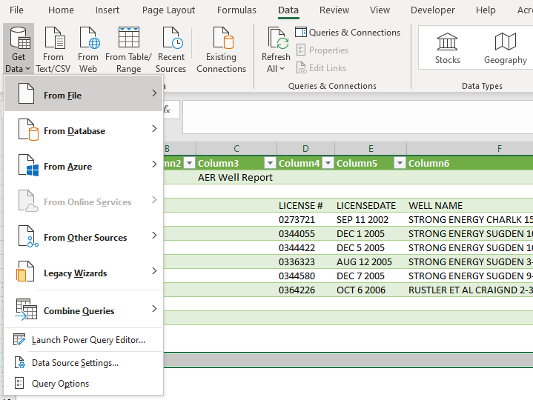

Sheets (only populate colored tabbed sheets - If applicable)
 | P1 OneStop Info
 | Mud List/s
 | Compliance Option Calculations
 | *Do not need to populate (ref/support docs)

Sheet Notes
* to print calculations go to Acrobat/Create PDF and select sheets to print as PDF. Re-name the PDF to 23XXXX - XX-XX-XXX-XX WXM - DW Calculations
 | * to bring in Abadata Well Report Data (into 'well report' sheet), go to AbaData, and highlight the well in yellow (using select tool). Go to reports (select) and click well report (include all events). When it loads, hit the save button and csv. It will download, and you can save as excel workbook. Copy and paste this info into the 'well report' sheet. You may notice the 'Phase 1 Data' sheet isn't pulling the info. You'll need to either write out the license number on the Phase 1 Data sheet and hit enter.

 | * to bring in 'annual production by Lic report' info, select well (as seen above) and select reports (select) and hit 'well annual production totals & group by license #'. Run report, save as csv, when it downloads save as excel workbook and copy/paste into into sheet.
 | * Pls review the most succint source of data first (I.e., mud lists). If they are not present and we have Daily Drilling Reports and/or Tours, review the most succint of the two. Only review additional documents if the site is on the verge of passing, but still fails. If you complete more than one Mud Tally sheet, highlight these values for reviewer and make comments on sheet.

